INSTRUCTIONS
Choosing appropriate weather station for climactic (rainfall and Temperature) data
Please note that data and dates in this worksheet for 'Newman Aero' station are an example only
1 | Go to BOM "Weather and Climate data" webpage | https://reg.bom.gov.au/climate/data/
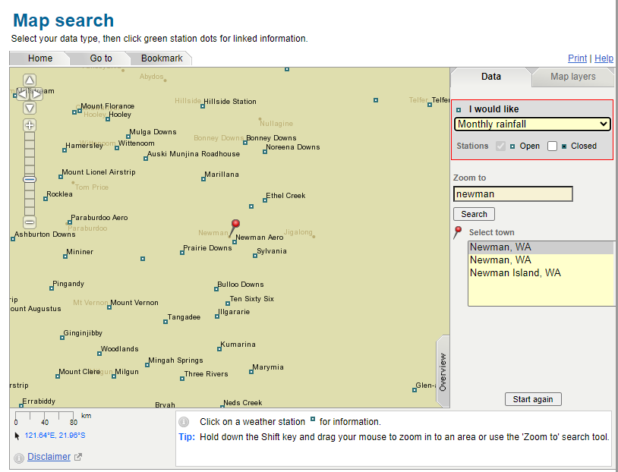
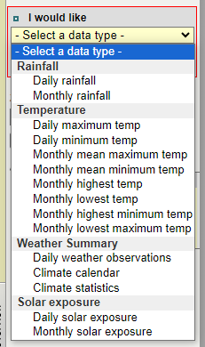
 | Click "Map search" to find best weather station/s for 'Rainfall' and 'Temperature' data based on location of the project/nearest town: a. under "Zoom to" type in location of the project/nearest town (e.g. Newman) and select matching town (see Figure 1) b. under "I would like" dropdown box 'select data type' select 'Monthly mean maximum/minimum temp' (see Figure 2) c. make a note of which weather station is closest to get appropropriate temperature data from d. go back to "I would like" dropdown box 'select data type' and select 'Monthly rainfall' (see Figure 2) e. make a note whether rainfall data can be obtained from the same weather station or another station (if getting data from two weather stations make sure you follow step 7 below, if only one station disregard step) | Figure 1: Figure 2:
Graphing long-term monthly average climate data
2 | Go to BOM "Weather and Climate data" webpage
3 | For monthly long term average select the following from "Text search"
 | 1. Data about: Weather & climate Type of data: Statistics, Monthly
 | 2. Select a weather station in the area of interest (new options will apear with entries/selections) a. type in the location of the project/nearest town (e.g. Newman) b. select matching town (e.g. Newman, WA 23.36°s, 119.73°E) c. select nearest weather station (make sure "Only show open stations" box is ticked) (e.g. 007176 Newman Aero WA (10km away)
 | 3. Select get data when weather station number appears. A new tab will open with selected climate data.
4 | In new tab opened, select "Data file of statistics for this site (csv)" from below "Climate statistics from Australian locations" to download a csv of all the data.
5 | Open the downloaded CSV file, select all data on spreadsheet and copy
6 | Paste selected data into 'BOM Data' tab
 | 1. Highlight rows 13, 23 and 36 and update text in forst column. Dates are e.g. only.
 | a. Mean maximum temperature (Degrees C) for years 1996 to 2024. Change wording to LTA max temp (1996–2024)
 | b. Mean minimum temperature (Degrees C) for years 1996 to 2024. Change wording to LTA min temp (1996–2024)
 | c. Mean rainfall (mm) for years 1971 to 20124. Change wording to LTA rainfall (1971–2024)
 | 2. Change order of months (cells B12-B69 across to M12-M69) by 12 month prior to survey order, leaving "Annual" column in 'N': e.g. if survey was in September 2023 then B12-B69 should be October and M12-M69 should be September
7 | Only follow this step if Rainfall data is being sourced from a different weather station than temperature data: a. follow steps 2 and 3 with the following change to step 3.1: b. Data about: Rainfall Type of data: Observations, Monthly c. scroll down to "Summary statistics for all years" and copy 'Mean' data for months into appropriate monthly order in 'BOM data' tab cells B36-N36
Adding climatic data for 6–12 months prior to survey
8 | 1. In 'Pre Survey' tab change bracketed dates in cells A3-A5 to show 12 months before survey e.g. if survey was in September 2023 brackets should show (Oct 2022-Sep 2023) The corresponding dates in cells in B2-M2 should also be updated, with the last column 'M' showing the survey month (highlighted green)
 | 1. Go to BOM "Weather and Climate data" webpage | https://reg.bom.gov.au/climate/data/
 | 2. For climatic data recorded for 6/12 months prior to survey select the following from "Text search" Note: data for Rainfall, Maximum Temperature and Minimum Temperature have to be selected individually via steps below (Rainfall on left, temperature on right)
 | a. Data about: Rainfall Type of data: Observations, Monthly (see Figure ->) | a. Data about: Temperature Type of data: Observations, Monthly from dropdown chose either Mean maximum temperature OR Mean minimum temperature (see Figure ->)
 | b. Select a weather station in the area of interest (new options will apear with entries/selections) i. type in the location of the project/nearest town (e.g. Newman) ii. select matching town (e.g. Newman, WA 23.36°s, 119.73°E) iii. select nearest weather station (make sure "Only show open stations" box is ticked) (e.g. 007176 Newman Aero WA (10km away) | b. Select a weather station in the area of interest (new options will apear with entries/selections) i. type in the location of the project/nearest town (e.g. Newman) ii. select matching town (e.g. Newman, WA 23.36°s, 119.73°E) iii. select nearest weather station (make sure "Only show open stations" box is ticked) (e.g. 007176 Newman Aero WA (10km away)
 | 3. Select get data when weather station number appears. A new tab will open with selected monthly rainfall data. | 3. Select get data when weather station number appears. A new tab will open with selected monthly mean maximum OR minimum temperature data.
 | 4. Copy relevant data across to 'Pre Survey' tab (ensure climate recorded during month/s of survey period included) | 4. Copy relevant data across to 'Pre Survey' tab (ensure climate recorded during month/s of survey period included)
 |  | 5. Repeat steps 2a through to 4 to get the other temperature data (either Mean maximum temperature OR Mean minimum temperature)
9 | All data shouldshow in graphs in 'CLIMATE SUMMARY' or 'CLIMATE SUMMARY + SURVEY' tabs; however you may have to relink data (step 10)
 | CLIMATE SUMMARY displays annual long-term average | Figure 3: Figure 4:
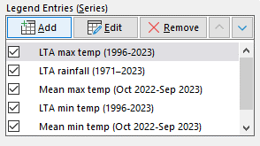
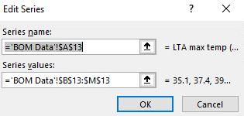
 | CLIMATE SUMMARY+ SURVEY displays annual long-term average with pre survey climate data from 'Pre Survey' tab
10 | In order to relink 'CLIMATE SUMMARY + SURVEY' graph to correct data: a. select graph and go to 'Chart Design' and click 'Select Data' b. Under 'Legend Entries (Series)' click on a heading (e.g. LTA max temp (1996-2023)) and then click 'Edit' (see Figure 3) c. 'Series name' refers to legend title (e.g. LTA max temp (1996-2023)) and 'Series value' refers to associated 12-month data (see Figure 4)
11 | Adjust order of 'Legend Entry (Series)' by using up/down arrows so that it matches with order in Figure 3
12 | Adjust position of shadedbox on graph to cover period of field, copy and paste to create a second box for multiple season surveys
13 | Adjust size of legend text to 14 and if necessary angle clockwise by 45 degrees
14 | Copy graph and paste into word document (past for editable graph or paste as picture for uneditable image)

Pre Survey
 | 12 months prior |  |  |  |  | 6 months prior |  |  | 3 months prior |  |  | Survey Timing
 | Nov-24 | Dec-24 | Jan-25 | Feb-25 | Mar-25 | Apr-25 | May-25 | Jun-25 | Jul-25 | Aug-25 | Sep-25 | Oct-25
Mean min temp (Nov 2024-Oct 2025) | 11.3 | 14.1 | 16.6 | 15.3 | 14.7 | 11.6 | 8.3 | 7.2 | 4.8 | 5.7 | 6.6 | 8.2
Mean max temp (Nov 2024-Oct 2025) | 25.2 | 30.2 | 32.4 | 30.6 | 30.5 | 24.9 | 21.7 | 17.7 | 15 | 16.5 | 18.7 | 20.3
Total rainfall (Nov 2024-Oct 2025) | 15.8 | 1.8 | 0.6 | 0.6 | 22.2 | 10.2 | 56.6 | 156.4 | 211.8 | 254.2 | 126 | 75.2

 | SA | LTA
6 months rainfall | 815.2 | 1017.4 | -202.2
3 months rainfall | 592 | 399.2 | 192.8
survey month rainfall | 75.2 | 44.8 | 30.4

12 month max temp | 23.6 | 21.3 | 2.4
12 month min temp | 10.4 | 9.26 | 1.1
12 month rainfall | 931.4 | 114.62 | 816.78

 |  | (check over LTA data to see that its averaging correct months)

 |  | Nov-24 | Dec-24 | Jan-25 | Feb-25 | Mar-25 | Apr-25 | May-25 | Jun-25 | Jul-25 | Aug-25 | Sep-25 | Oct-25
 |  | 15.8 | 1.8 | 0.6 | 0.6 | 22.2 | 10.2 | 56.6 | 156.4 | 211.8 | 254.2 | 126 | 75.2

 |  |  | Nov | Dec | Jan | Feb | Mar | Apr | May | Jun | Jul | Aug | Sep
 |  |  | 14.7 | 13.1 | 10.4 | 7.8 | 6.5 | 5.6 | 5.5 | 6.5 | 8.1 | 10.5 | 12.7

Temperature
 | LTA max temp (1996-2025) | LTA min temp (1996-2025)
June | 16.1 | 6.5
July | 15.1 | 5.6
August | 15.8 | 5.5
September | 17.4 | 6.5
October | 20.2 | 8.1

Rainfall
 | LTA rainfall (1971–2025)
June | 230.6
July | 234.2
August | 192.6
September | 128.5
October | 78.1

CLIMATE SUMMARY
 | LTA rainfall (1971–2025) |  | LTA max temp (1996-2025) |  | LTA min temp (1996-2025)
14.1 | 16.2 | January | 29.9 | January | 14.4
16.6 | 21.1 | February | 29.8 | February | 14.7
15.3 | 26.6 | March | 27.1 | March | 13.1
14.7 | 64.9 | April | 22.6 | April | 10.4
11.6 | 153.4 | May | 18.6 | May | 7.8
8.3 | 230.6 | June | 16.1 | June | 6.5
7.2 | 234.2 | July | 15.1 | July | 5.6
4.8 | 192.6 | August | 15.8 | August | 5.5
5.7 | 128.5 | September | 17.4 | September | 6.5
6.6 | 78.1 | October | 20.2 | October | 8.1
8.2

CLIMATE SUMMARY + SURVEY
 | LTA rainfall (1971–2025) |  | Total rainfall (Nov 2024-Oct 2025) |  | LTA max temp (1996-2025) |  | LTA min temp (1996-2025) |  | Mean max temp (Nov 2024-Oct 2025) |  | Mean min temp (Nov 2024-Oct 2025)
14.1 | 44.8 | 14.1 | 15.8 | Nov-24 | 23.9 | Nov-24 | 10.5 | Nov-24 | 25.2 | Nov-24 | 11.3
16.6 | 20 | 16.6 | 1.8 | Dec-24 | 27.5 | Dec-24 | 12.7 | Dec-24 | 30.2 | Dec-24 | 14.1
15.3 | 16.2 | 15.3 | 0.6 | Jan-25 | 29.9 | Jan-25 | 14.4 | Jan-25 | 32.4 | Jan-25 | 16.6
14.7 | 21.1 | 14.7 | 0.6 | Feb-25 | 29.8 | Feb-25 | 14.7 | Feb-25 | 30.6 | Feb-25 | 15.3
11.6 | 26.6 | 11.6 | 22.2 | Mar-25 | 27.1 | Mar-25 | 13.1 | Mar-25 | 30.5 | Mar-25 | 14.7
8.3 | 64.9 | 8.3 | 10.2 | Apr-25 | 22.6 | Apr-25 | 10.4 | Apr-25 | 24.9 | Apr-25 | 11.6
7.2 | 153.4 | 7.2 | 56.6 | May-25 | 18.6 | May-25 | 7.8 | May-25 | 21.7 | May-25 | 8.3
4.8 | 230.6 | 4.8 | 156.4 | Jun-25 | 16.1 | Jun-25 | 6.5 | Jun-25 | 17.7 | Jun-25 | 7.2
5.7 | 234.2 | 5.7 | 211.8 | Jul-25 | 15.1 | Jul-25 | 5.6 | Jul-25 | 15 | Jul-25 | 4.8
6.6 | 192.6 | 6.6 | 254.2 | Aug-25 | 15.8 | Aug-25 | 5.5 | Aug-25 | 16.5 | Aug-25 | 5.7
8.2 | 128.5 | 8.2 | 126 | Sep-25 | 17.4 | Sep-25 | 6.5 | Sep-25 | 18.7 | Sep-25 | 6.6
 | 78.1 |  | 75.2 | Oct-25 | 20.2 | Oct-25 | 8.1 | Oct-25 | 20.3 | Oct-25 | 8.2

